heet1_QEF1630_OG37_T3-14-0-3_SC
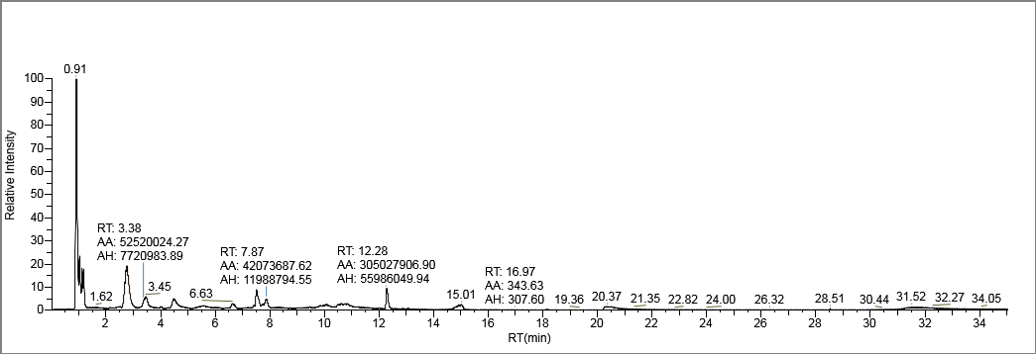
Chromatogram Report

Lab Name: | OGL |  |  |  | Method: | Known_IPLs_Marine_11_14_2018_Known_IPLs_Marine_11_14_2018
Instrument: | QEFocus |  |  |  |  | Known_IPLs_Marine_11_14_2018
User: | Thermo |  |  |  | Cali File: | Known_IPLs_Marine_11_14_2018.calx
Batch: | Known_IPLs_Marine_11_14_2018

Vial Pos | Sample ID | File Name | Level | Sample Name |  | File Date | Comment
RC8 | 1 | QEF1630_OG37_T3-14-0-3_SC | N/A |  |  | 8/1/2018

